Diagram
 | Displacement at mid-span [mm]
0.00E+00 | 0.00E+00
1.00E-02 | -1.64E-01
2.00E-02 | -3.28E-01
3.00E-02 | -4.92E-01
4.00E-02 | -6.57E-01
5.00E-02 | -8.21E-01
6.00E-02 | -9.85E-01
7.00E-02 | -1.15E+00
8.00E-02 | -1.31E+00
9.00E-02 | -1.48E+00
1.00E-01 | -1.64E+00
1.10E-01 | -1.81E+00
1.20E-01 | -1.97E+00
1.30E-01 | -2.13E+00
1.40E-01 | -2.30E+00
1.50E-01 | -2.46E+00
1.60E-01 | -2.63E+00
1.70E-01 | -2.79E+00
1.80E-01 | -2.95E+00
1.90E-01 | -3.12E+00
2.00E-01 | -3.28E+00
2.10E-01 | -3.45E+00
2.20E-01 | -3.61E+00
2.30E-01 | -3.78E+00
2.40E-01 | -3.94E+00
2.50E-01 | -4.10E+00
2.60E-01 | -4.27E+00
2.70E-01 | -4.43E+00
2.80E-01 | -4.60E+00
2.90E-01 | -4.76E+00
3.00E-01 | -4.92E+00
3.10E-01 | -5.09E+00
3.20E-01 | -5.25E+00
3.30E-01 | -5.42E+00
3.40E-01 | -5.58E+00
3.50E-01 | -5.74E+00
3.60E-01 | -5.91E+00
3.70E-01 | -6.07E+00
3.80E-01 | -6.24E+00
3.90E-01 | -6.40E+00
4.00E-01 | -6.57E+00
4.10E-01 | -6.73E+00
4.20E-01 | -6.89E+00
4.30E-01 | -7.06E+00
4.40E-01 | -7.22E+00
4.50E-01 | -7.39E+00
4.60E-01 | -7.55E+00
4.70E-01 | -7.71E+00
4.80E-01 | -7.88E+00
4.90E-01 | -8.04E+00
...

Deflected shape
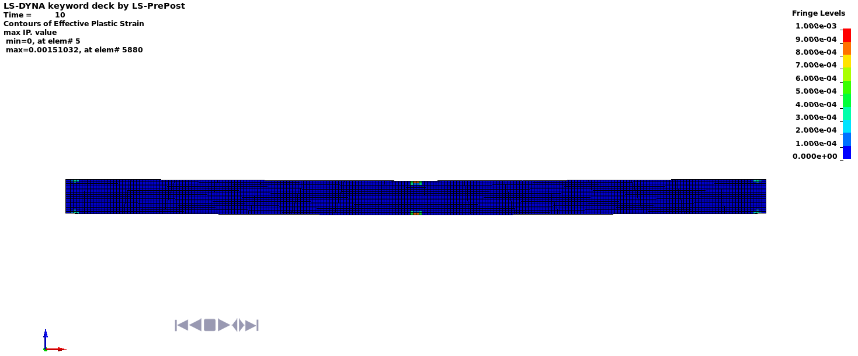

Deflected shape with visible contours of plasticity - side view

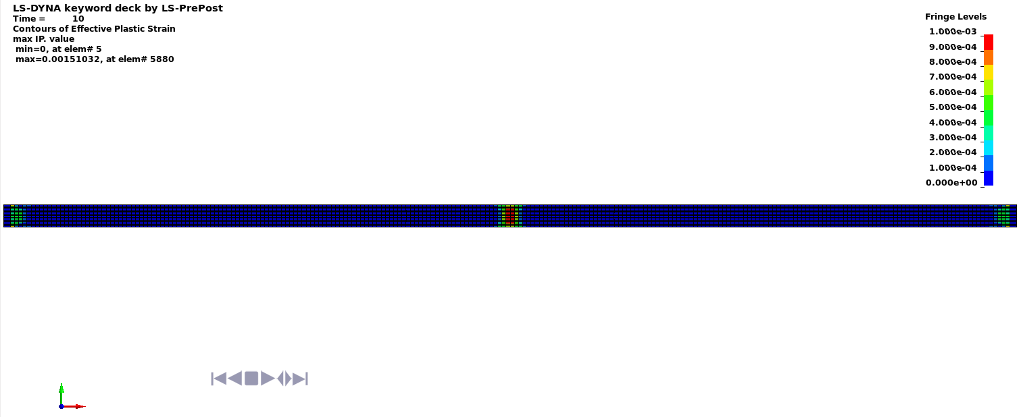

Deflected shape with visible contours of plasticity - top view

